Exchange rates details
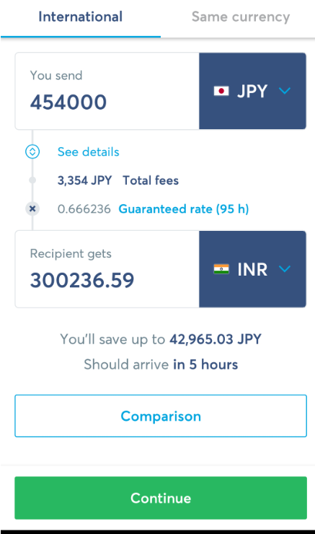
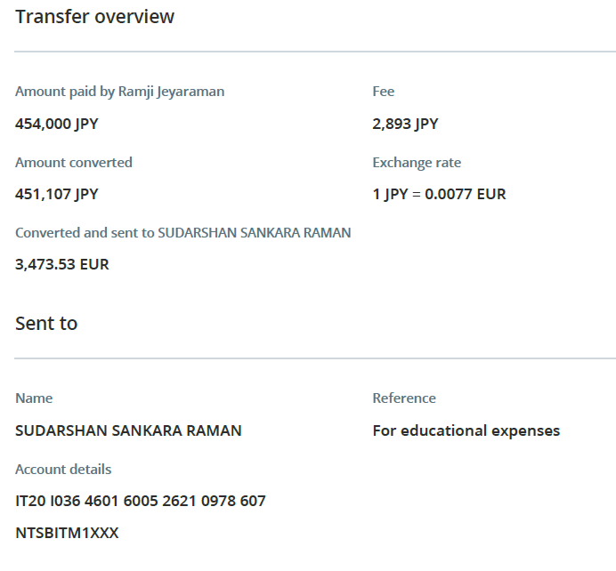
Transaction 1 | Yen -> INR | Yen -> Euro
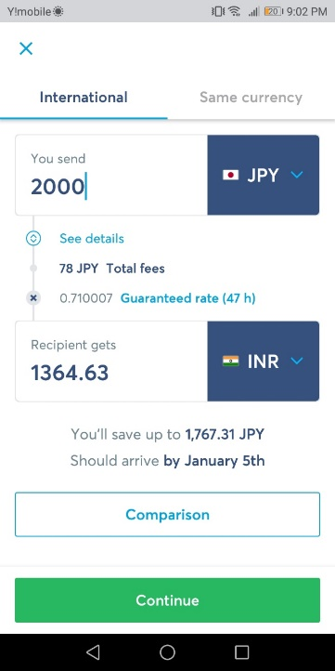
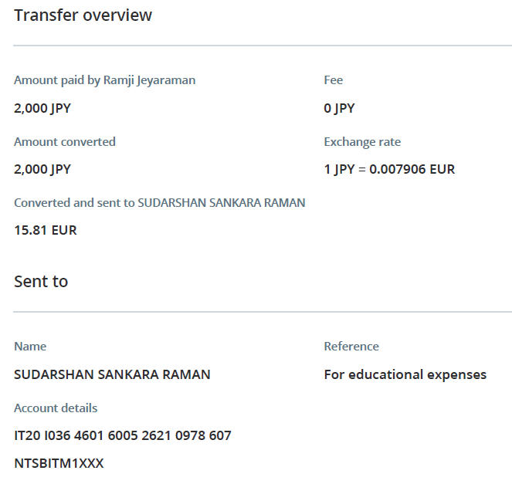

Transaction 2 | Yen -> INR | Yen -> Euro
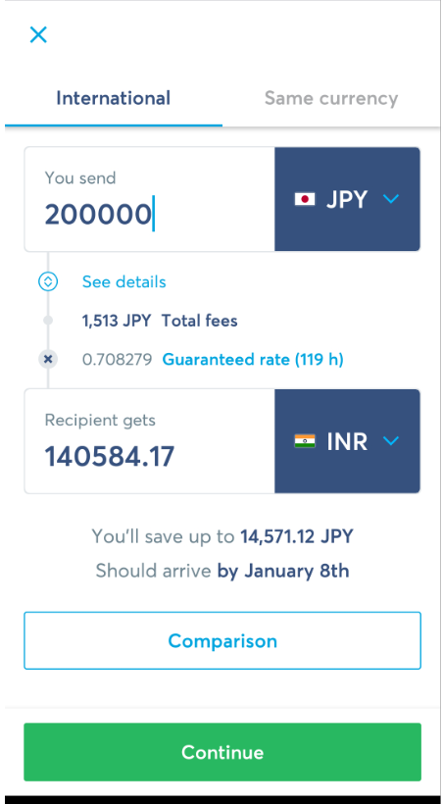
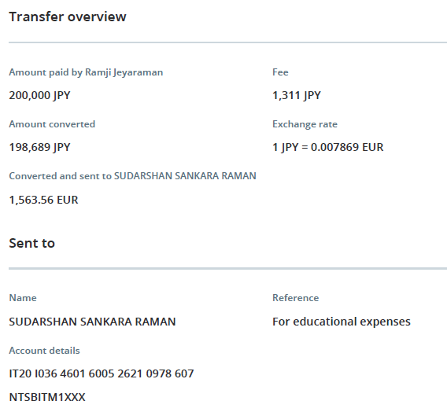

Transaction 3 | Yen -> INR | Yen -> Euro

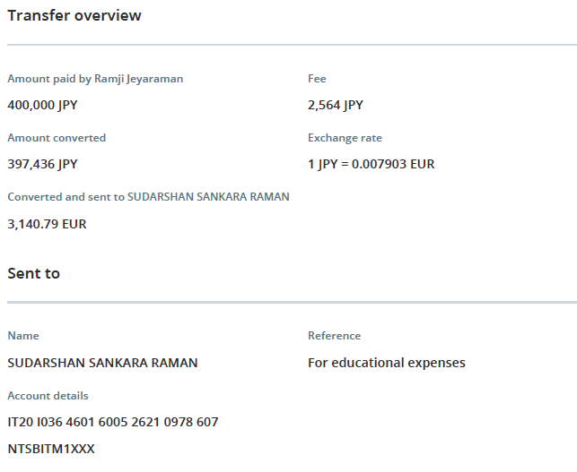

Transaction 4 | Yen -> INR | Yen -> Euro
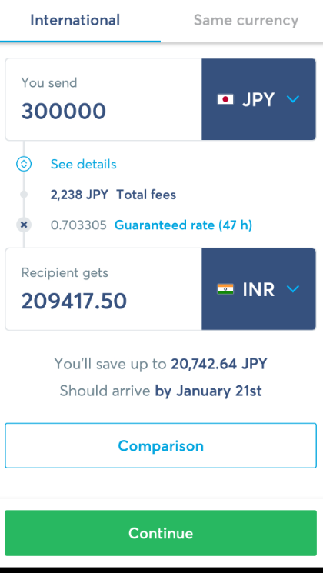
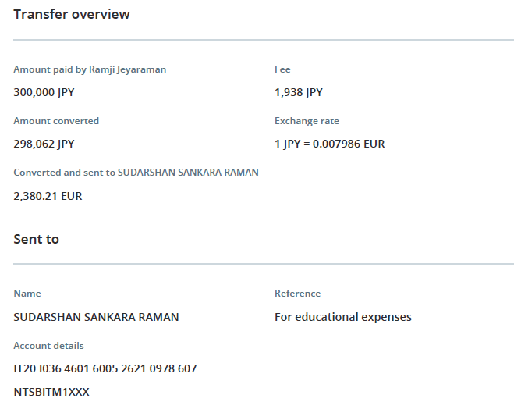

Transaction 5 | Yen -> INR | Yen -> Euro
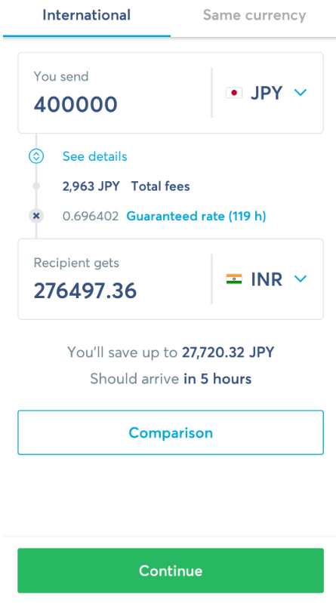
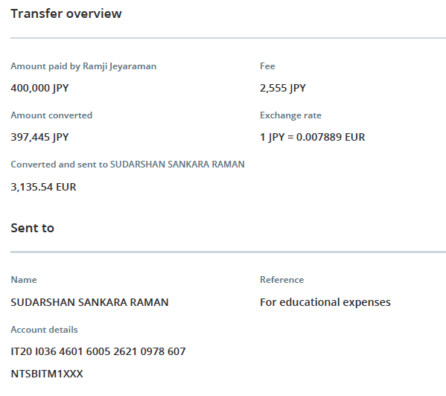

Transaction 6 | Yen -> INR | Yen -> Euro

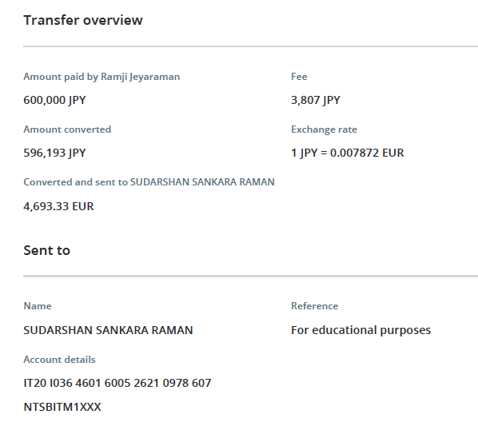

Transaction 7 | Yen -> INR | Yen -> Euro

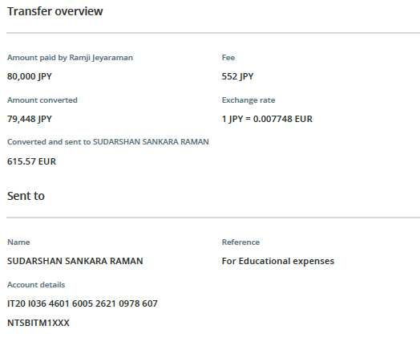

Transaction 8 | Yen -> INR | Yen -> Euro
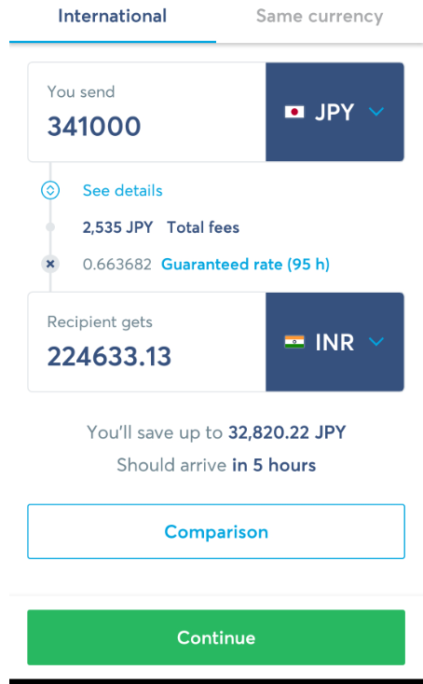
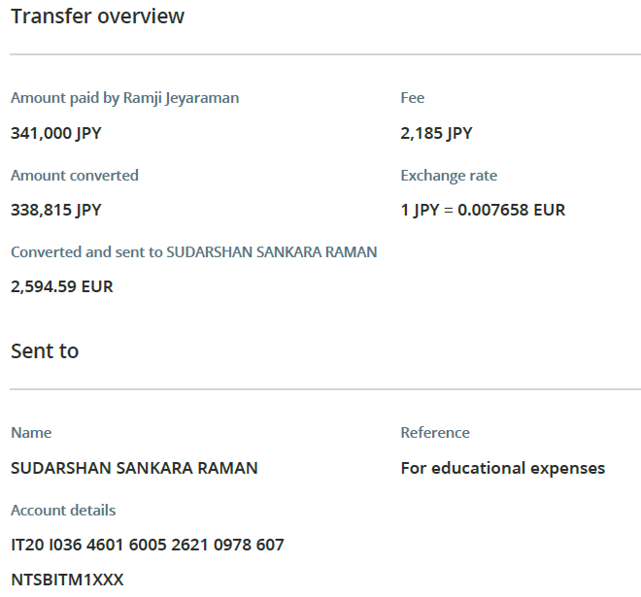

Transaction 9 | Yen -> INR | Yen -> Euro

